Sheet1
 |  |  | Hard |  | Medium |  | Soft
Sway Bars |  | Length (in) | A1 (in) | C1 (in) | A2 (in) | C2 (in) | A3 (in) | C3 (in) | Outside Dia (in) | Wall Thk (in) | Inside Dia (in) | Formula and image below from:
Stock Front |  | 34.5 | 10.0 |  |  |  |  |  | 0.75 |  | 0.00 | http://www.gtsparkplugs.com/Sway-Bar-Calculator.html
Bar Rate (lb/in) |  |  | 108
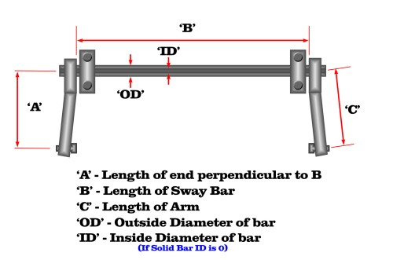
Stock Rear |  | 43.0 | 8.0 |  |  |  |  |  | 0.69 |  | 0.00
Bar Rate (lb/in) |  |  | 96

Whiteline Front |  | 34.5 | 8.00 | 8.25 | 8.75 | 9.00 | 9.50 | 9.75 | 0.81 |  | 0.00
Bar Rate (lb/in) |  |  | 205 |  | 169 |  | 142
Motion Ratio | 0.95 |  | 185 |  | 153 |  | 128

Custom Front |  | 33.8 | 6.75 | 7.75 | 7.50 | 8.50 | 8.25 | 9.25 | 1.00 | 0.050 | 0.900
Bar Rate (lb/in) |  |  | 227 |  | 182 |  | 149
Motion Ratio | 0.7 |  | 111 |  | 89 |  | 73

Custom Front |  | 33.8 | 6.75 | 7.75 | 7.50 | 8.50 | 8.25 | 9.25 | 1.00 | 0.065 | 0.870
Bar Rate (lb/in) |  |  | 282 |  | 226 |  | 185
Motion Ratio | 0.7 |  | 138 |  | 111 |  | 91

Custom Front |  | 33.8 | 6.75 | 7.75 | 7.50 | 8.50 | 8.25 | 9.25 | 1.00 | 0.081 | 0.838
Bar Rate (lb/in) |  |  | 334 |  | 268 |  | 220
Motion Ratio | 0.7 |  | 164 |  | 131 |  | 108

Custom Front |  | 33.8 | 6.75 | 7.75 | 7.50 | 8.50 | 8.25 | 9.25 | 1.00 | 0.095 | 0.810
Bar Rate (lb/in) |  |  | 376 |  | 301 |  | 247
Motion Ratio | 0.7 |  | 184 |  | 148 |  | 121

Custom Front |  | 33.8 | 6.75 | 7.75 | 7.50 | 8.50 | 8.25 | 9.25 | 1.00 | 0.109 | 0.782
Bar Rate (lb/in) |  |  | 413 |  | 331 |  | 271
Motion Ratio | 0.7 |  | 202 |  | 162 |  | 133

Custom Front |  | 33.8 | 6.75 | 7.75 | 7.50 | 8.50 | 8.25 | 9.25 | 1.00 | 0.125 | 0.750
Bar Rate (lb/in) |  |  | 451 |  | 362 |  | 296
Motion Ratio | 0.7 |  | 221 |  | 177 |  | 145

